SARIMA
SARIMA Orders
 | p | d | q | P | D | Q | seasonal period
1) | 1 | 1 | 1 | 0 | 1 | 0 | 21

 | MAPE | MAE | RMSE
 | 491.82 | 890.99 | 1216.07

 | AIC
 | -7687.191

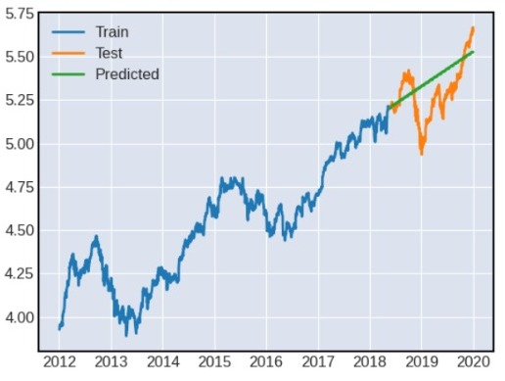

 | p | d | q | P | D | Q | seasonal period
2) | 1 | 1 | 1 | 0 | 1 | 1 | 21

 | MAPE | MAE | RMSE
 | 16.76 | 24.76 | 28.99

 | AIC
 | -8747.49

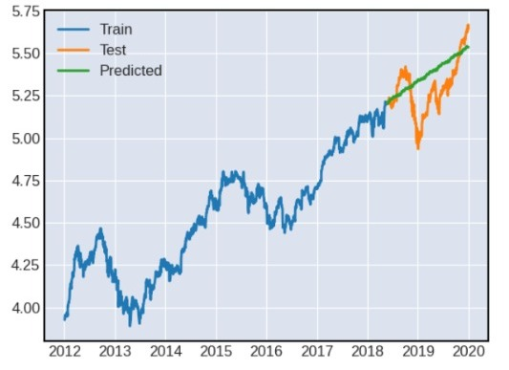

 | p | d | q | P | D | Q | seasonal period
3) | 1 | 1 | 1 | 0 | 1 | 1 | 63

 | MAPE | MAE | RMSE
 | 17.86 | 25.39 | 29.7

 | AIC
 | -8406.051

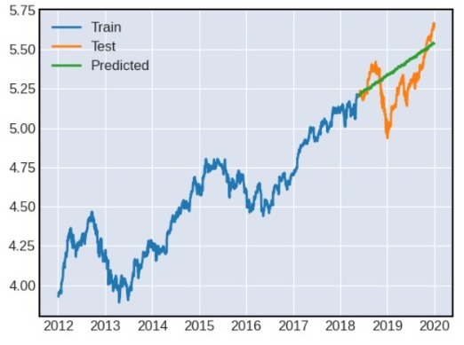

 | p | d | q | P | D | Q | seasonal period
4) | 1 | 1 | 1 | 1 | 1 | 1 | 63

 | MAPE | MAE | RMSE
 | 17.22 | 25.43 | 29.81

 | AIC
 | -8404.825

